Quick Tracker 2020-10-13
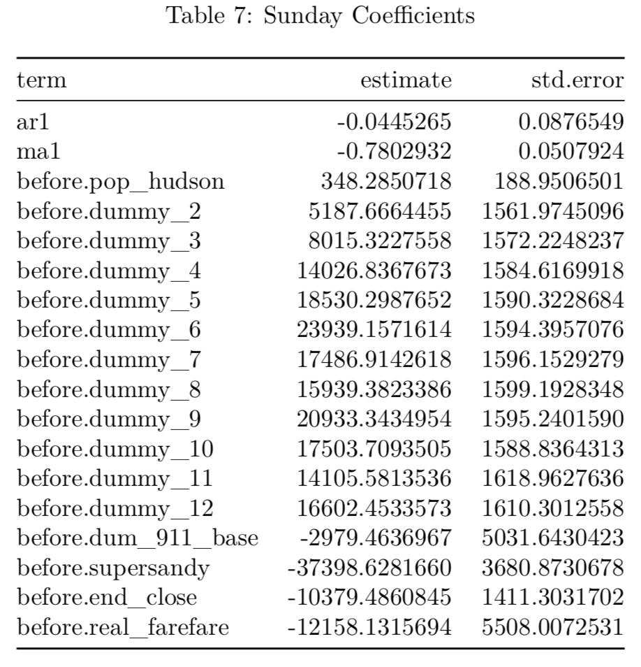
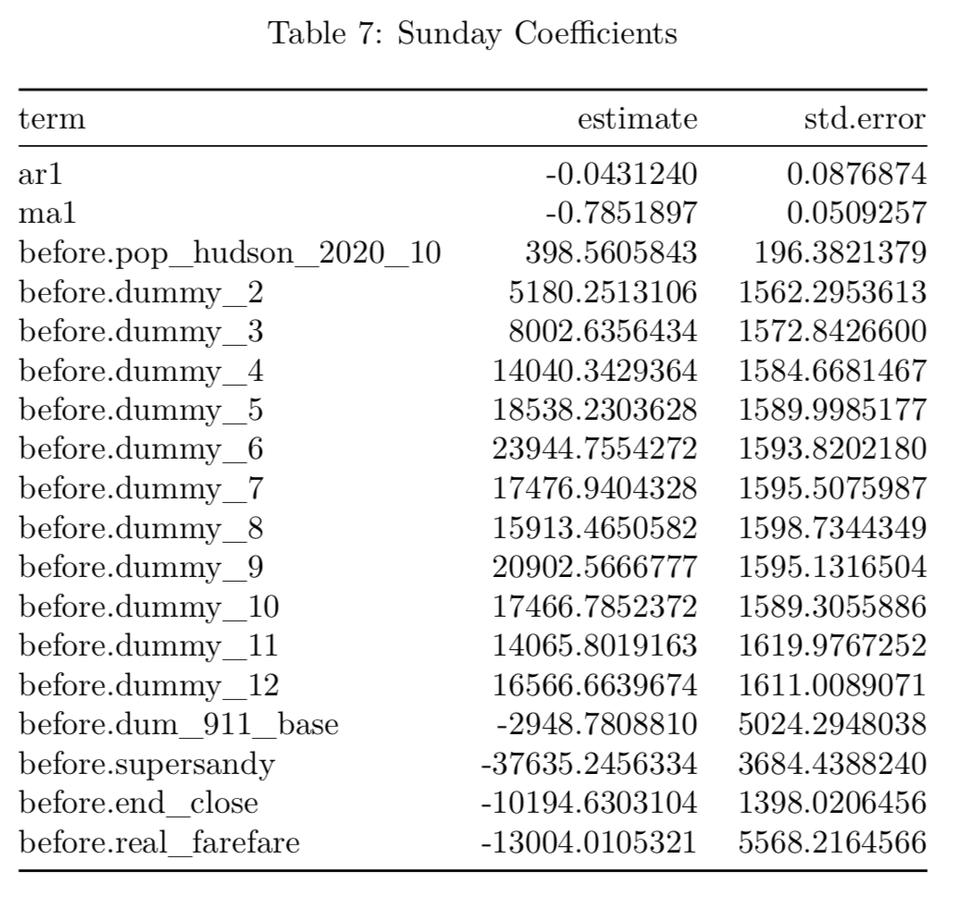
Original 08 | ## | ye | year | base_wkday | saturday | sunday | base_total | pess_wkday | pess_total | change from original August
 | ## | 11 | 2030 | 75369159 | 8765662 | 5682256 | 89817076 | 75369045 | 89816962
 | ## | 12 | 2031 | 75940317 | 8848813 | 5725697 | 90514827 | 75940078 | 90514588
 | ## | 13 | 2032 | 76509186 | 9057647 | 5763193 | 91330027 | 76508837 | 91329677
 | ## | 14 | 2033 | 77059235 | 8999101 | 5795996 | 91854333 | 77058787 | 91853884
 | ## | 15 | 2034 | 77296687 | 9044753 | 5934158 | 92275597 | 77296142 | 92275052
 | ## | 16 | 2035 | 78094918 | 9085493 | 5862055 | 93042466 | 78094270 | 93041817 | 0.0000%

Update CPI | ## | ye | year | base_wkday | saturday | sunday | base_total | pess_wkday | pess_total
 | ## | 11 | 2030 | 75439677 | 8803875 | 5698222 | 89941773 | 75439440 | 89941536
 | ## | 12 | 2031 | 76010790 | 8887028 | 5741662 | 90639480 | 76010449 | 90639139
 | ## | 13 | 2032 | 76579615 | 9096490 | 5779157 | 91455262 | 76579168 | 91454816
 | ## | 14 | 2033 | 77129620 | 9037321 | 5811960 | 91978901 | 77129078 | 91978359
 | ## | 15 | 2034 | 77366750 | 9082973 | 5950427 | 92400150 | 77366116 | 92399516
 | ## | 16 | 2035 | 78165220 | 9123715 | 5878016 | 93166952 | 78164496 | 93166228 | 0.1338%

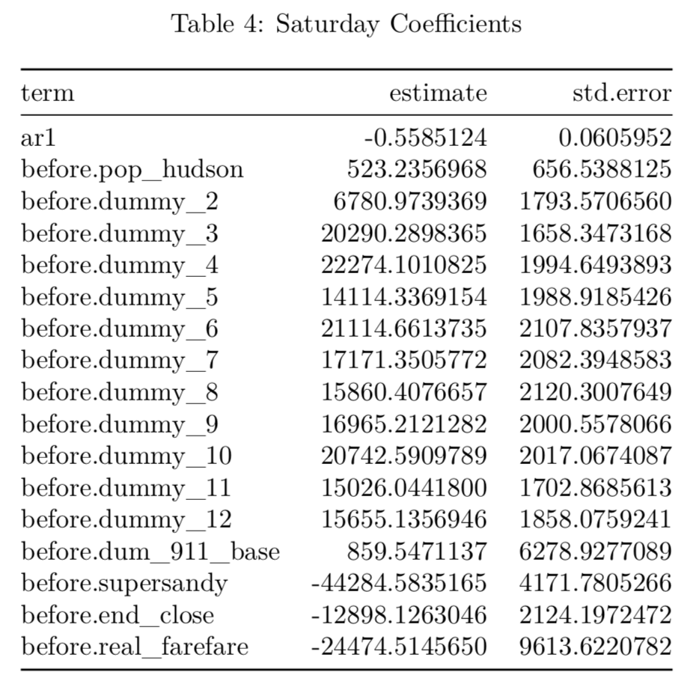
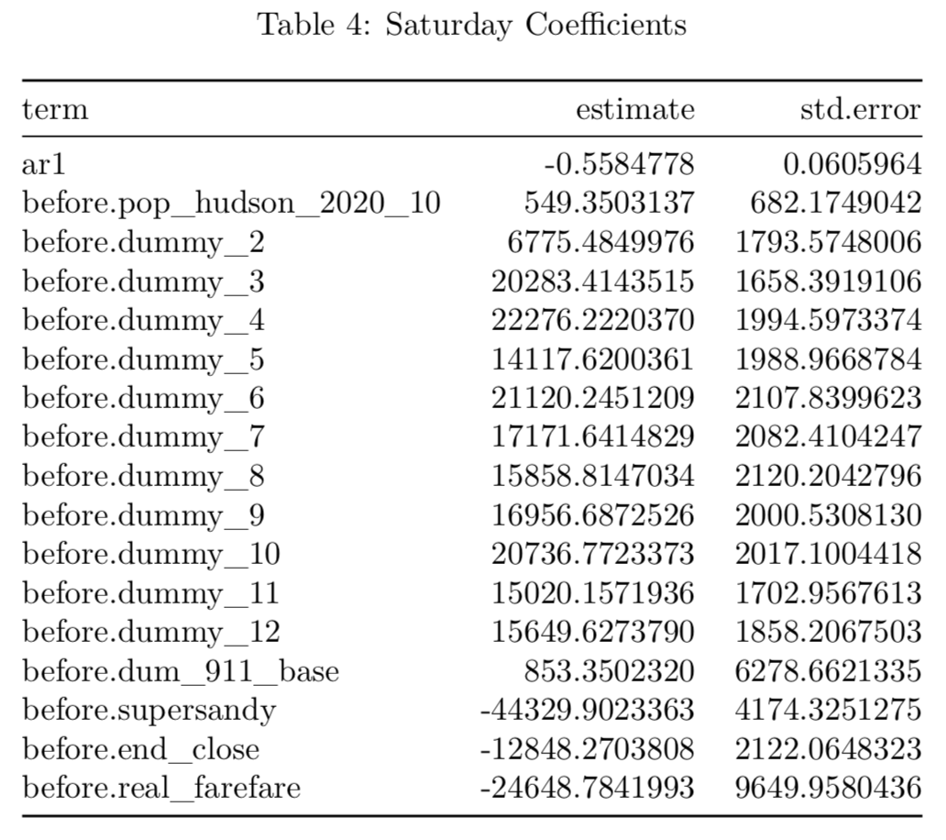
Update employment | ## | ye | year | base_wkday | saturday | sunday | base_total | pess_wkday | pess_total |  | Update employment only | + update population
 | ## | 11 | 2030 | 76435427 | 8803875 | 5698222 | 90937523 | 75439440 | 89941536
 | ## | 12 | 2031 | 77009865 | 8887028 | 5741662 | 91638554 | 76010449 | 90639139
 | ## | 13 | 2032 | 77582188 | 9096490 | 5779157 | 92457836 | 76579168 | 91454816
 | ## | 14 | 2033 | 78136018 | 9037321 | 5811960 | 92985299 | 77129078 | 91978359
 | ## | 15 | 2034 | 78372689 | 9082973 | 5950427 | 93406089 | 77366116 | 92399516
 | ## | 16 | 2035 | 79189305 | 9123715 | 5878016 | 94191037 | 78164496 | 93166228 | 1.2345%
 | 9

Update population | ## | ye | year | base_wkday | saturday | sunday | base_total | pess_wkday | pess_total
 | ## | 11 | 2030 | 76435427 | 8765272 | 5746619 | 90947317 | 75439440 | 89951331
 | ## | 12 | 2031 | 77009865 | 8857419 | 5800224 | 91667507 | 76010449 | 90668091
 | ## | 13 | 2032 | 77582188 | 9073167 | 5845618 | 92500974 | 76579168 | 91497954
 | ## | 14 | 2033 | 78136018 | 9019875 | 5885098 | 93040991 | 77129078 | 92034051
 | ## | 15 | 2034 | 78372689 | 9070410 | 6030665 | 93473765 | 77366116 | 92467192
 | ## | 16 | 2035 | 79189305 | 9115033 | 5961143 | 94265481 | 78164496 | 93240672 | 1.3145%
 | 9

 |  |  |  |  |  |  |  |  |  |  | Update employment only | + update population

